Sheet1
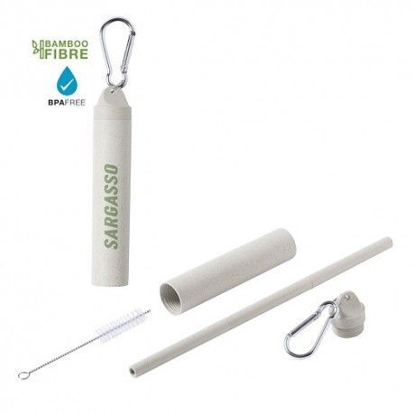
Picture | Item code | Description | Extra information | Restriction | Stock | Sales price EXW | Retail price | Barcode | Quantity PU | Quantity pallet | Pallet | Origin | Customs code | Item weight | Languages on package | Group
 | S-10154 | set straw + cleaning brush KLARAN natural 12.5x2.3 | 6600013000 | no sales in europe | 36411 | 0.29 |  |  | 500 |  | Chep pallet 120x100 | CN | 39241000 | 32 |  | set straw + cleaning brush KLARAN natural 12.5x2.3

